P1
Save this homework file in a 263 folder on your harddrive or cloud storage. At the same time change its name to have your name appended with _HW01. Follow this pattern for all future homework assignments. All homework is submitted electronically using Learning Suite.

Problem 1 (2 points). Reproduce the following table in the cells below. Pay attention to the details. The bottom cells with dollars should be formatted numerical cells, not text cells. Note, select cell --> format cells allows you to select a lot of options including formatting text with a subscript. Greek symbols can be inserted with the "symbol" font. The Greek symbol in blue is "xi", and is the "x" on the keyboard.

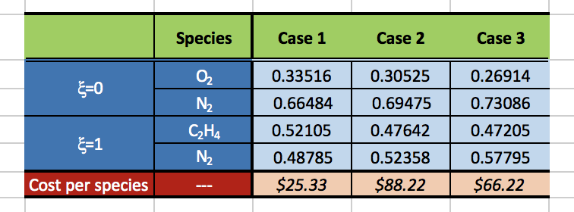

 | Species | Case 1 | Case 2 | Case 3
x=0 | O2 | 0.33516 | 0.30525 | 0.26914
 | N2 | 0.66484 | 0.69475 | 0.73086
x=1 | C2H4 | 0.52105 | 0.47642 | 0.47205
 | N2 | 0.48785 | 0.52358 | 0.57795
Cost per species | --- | $25.33 | $88.22 | $66.22

P2
Problem 2 (1 point). Below make cells for variables a,b,c. The adjacent cells should identify the contents of these cells. Give them values a = 2, b = 3, c = 4. Then make two more cells that compute the value of the formulas given below:
= a/(b*c)
=a/b/c
Explain why these two cells generate the same result.

a = | 2 | a/(b*c) = | 0.16666666667
b = | 3 | a/b/c = | 0.16666666667
c = | 4
 |  | These have the same results because in both, a is divided by both b and c

P3
Problem 3 (3 points). Solve the following convective heat transfer problem by labeling a series of cells that contain needed quantities and formulas, leading to the final quantity q. Keep everything in SI units, which are stored to the right of each numerical cell.

m = | 9.79E-04 | Pa*s
r = | 998 | kg/m3
n = | 1.45 | m/s
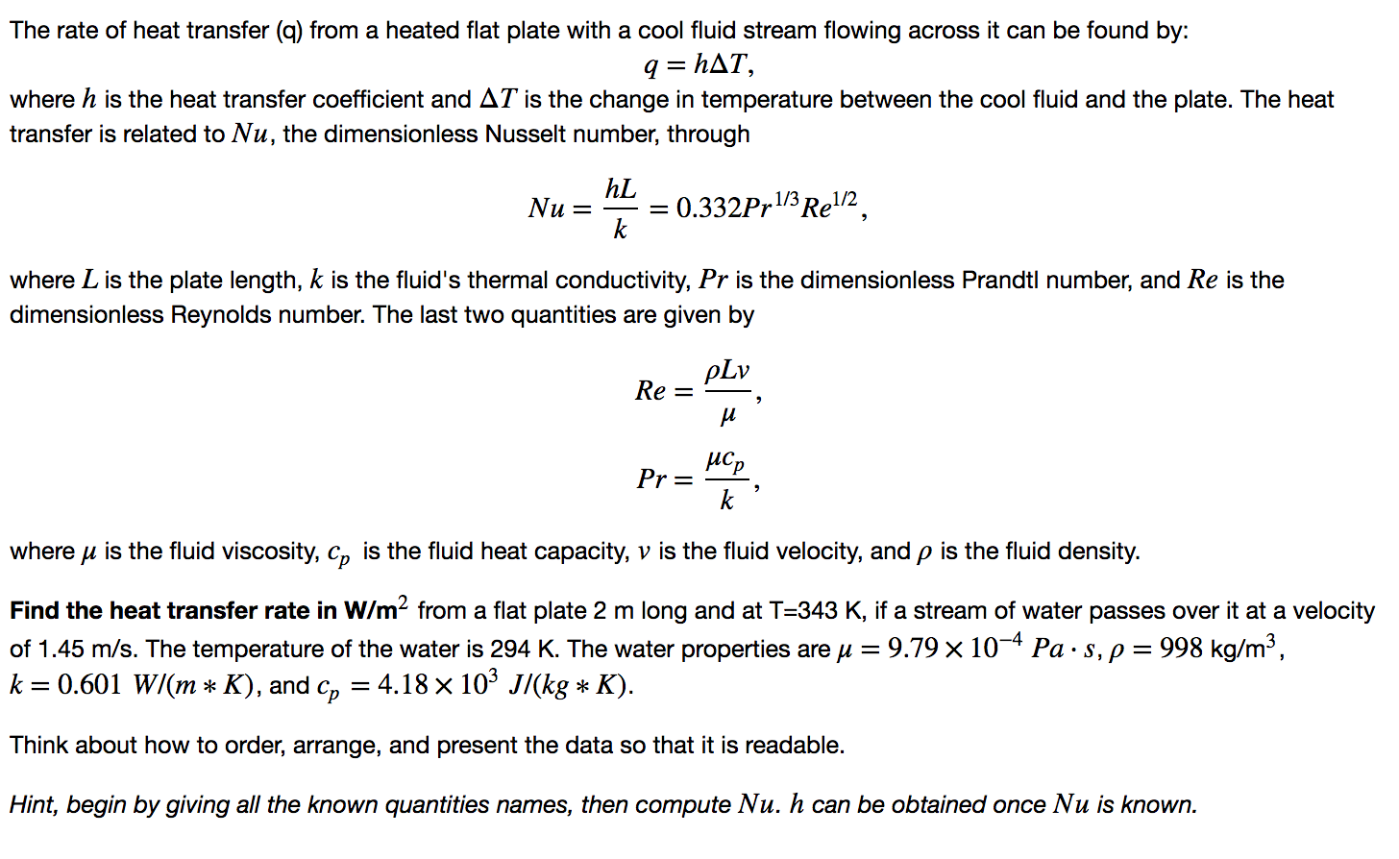
cp = | 4.18E+03 | J/(kg*K)
L = | 2 | m
k = | 0.601 | W/(m*K)
DT = | 49 | K

Pr = mcp/k = | 6.81 | (Pa*m*s*J)/(kg*W)
Re = rLn/m = | 2.96E+06 | kg/(Pa*m*s2)
Nu = 0.332Pr1/3Re1/2 = | 1.08E+03 | J/(s*W)
h = Nuk/L = | 3.25E+02 | J/(m2*s*K)
q = hDT = | 1.59E+04 | J/(m2*s)

